Sheet1
Module 6: Excel for Business Intelligence (BI)

1. Introduction to Business Intelligence (BI)

What is Business Intelligence?

Business Intelligence (BI) is the process of collecting, analyzing, and transforming raw data into meaningful information to support business decision-making.
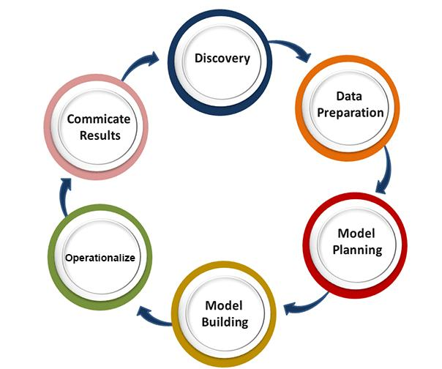
BI Process

Steps in BI Process

1. Data Collection – Gather data from various sources.
2. Data Integration – Combine data into a single repository.
3. Data Analysis – Analyze trends and patterns.
4. Reporting – Create reports and dashboards.
5. Decision Making – Use insights for business growth.

Example

A retail company collects sales data from multiple stores and analyzes it to identify:

Best-selling products
Seasonal trends
Customer preferences

2. Data Warehousing Concepts

What is a Data Warehouse?

A Data Warehouse is a centralized repository that stores historical data from multiple sources for reporting and analysis.

Data Warehouse Architecture
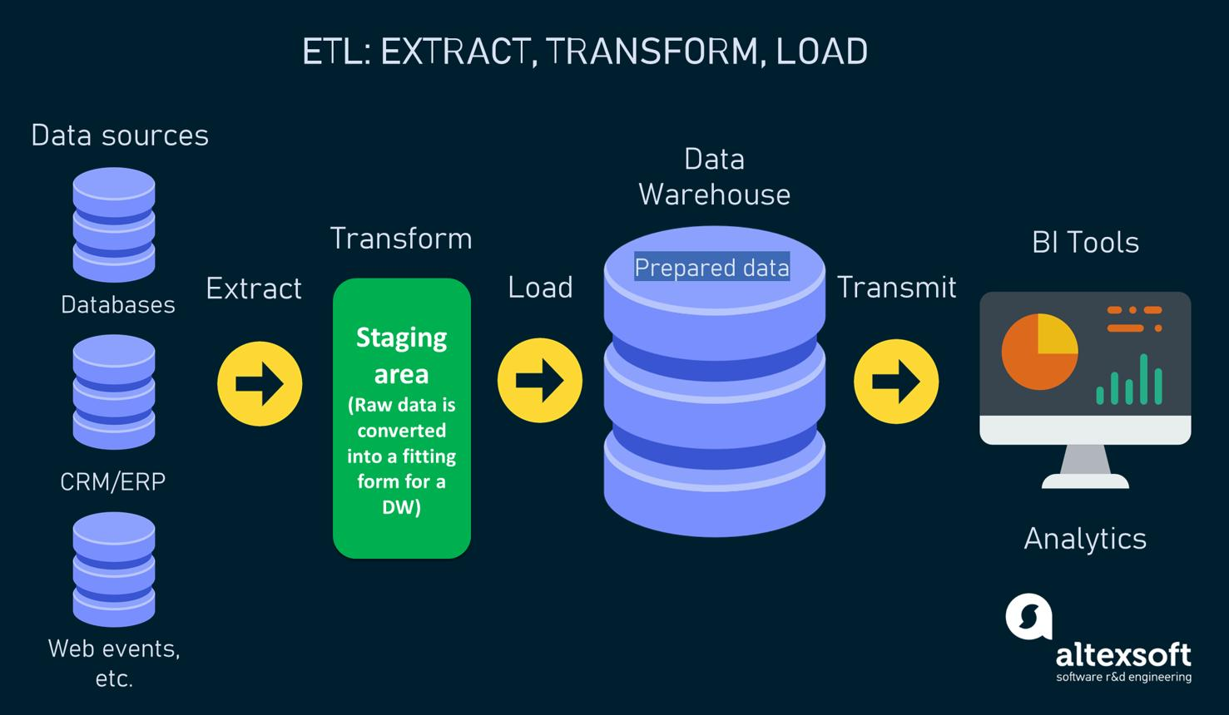
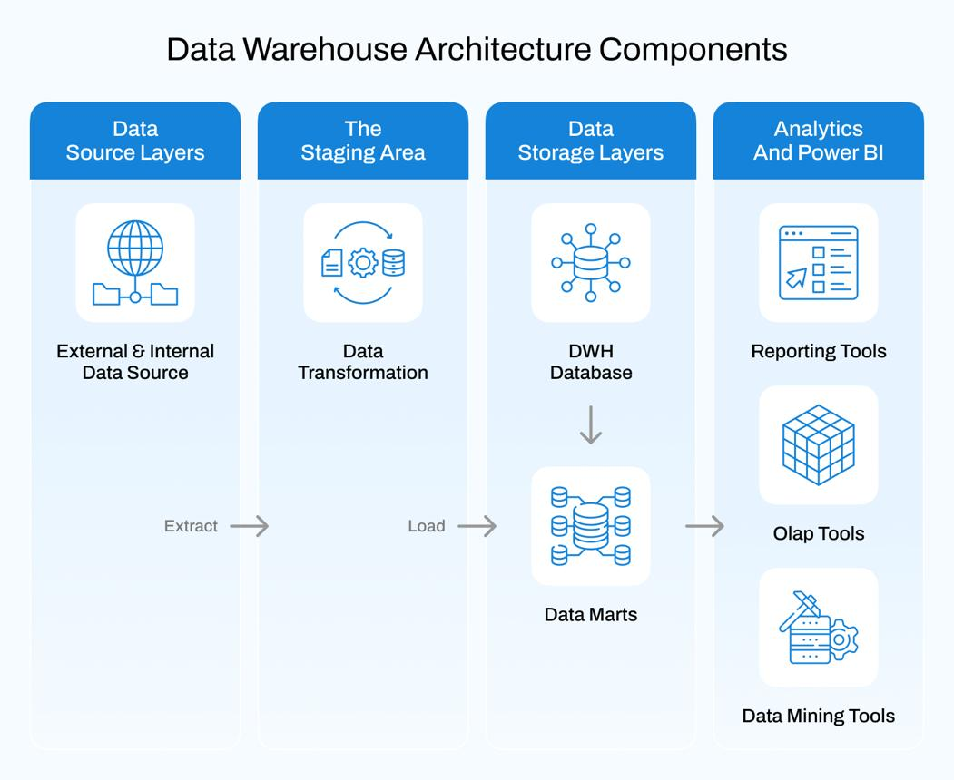

Key Components

Component | Description
Data Sources | ERP, CRM, Excel, Databases
ETL | Extract, Transform, Load
Data Warehouse | Centralized storage
Data Marts | Department-specific data
Reporting Tools | Power BI, Tableau, Excel

ETL Process

Step 1: Extract

Collect data from different systems.

Step 2: Transform

Clean and standardize data.

Step 3: Load

Load data into the warehouse.

Benefits

Faster reporting
Better decision making
Historical analysis
Improved data quality

Real-World Data Warehouse Examples
Snowflake
Amazon Redshift
Google BigQuery
Microsoft Azure Synapse Analytics
Oracle Autonomous Data Warehouse

What is Data Mining?

Data Mining is the process of discovering hidden patterns, trends, and relationships in large datasets.

Data Mining Process
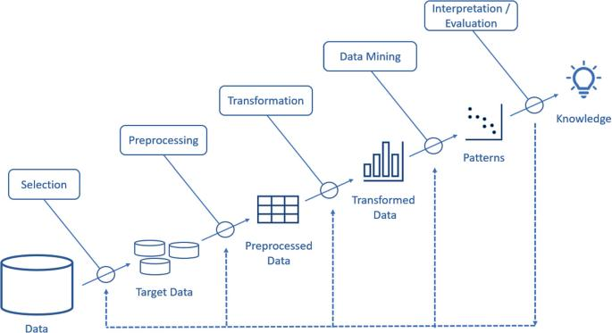
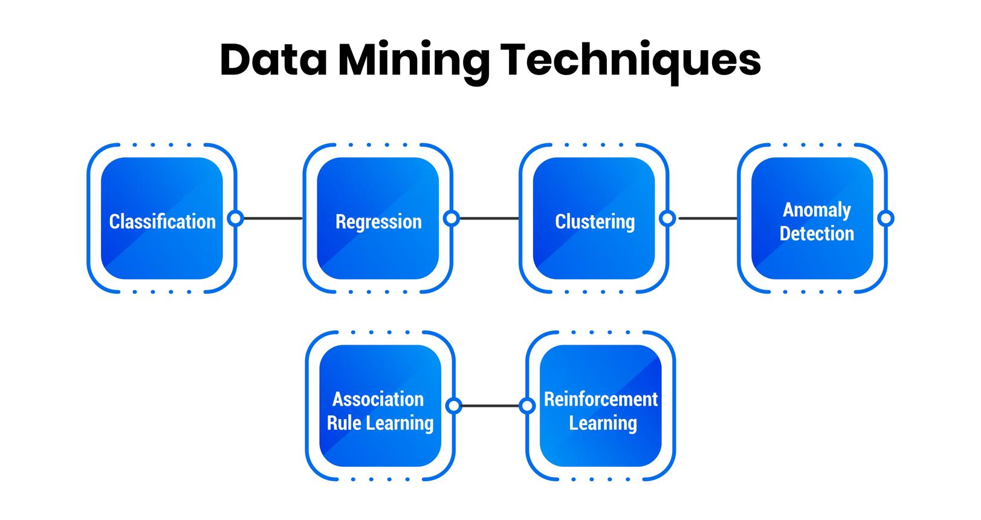

Common Data Mining Techniques

1. Classification

Categorizes data into predefined groups.

Example:

Customer = Premium or Regular

2. Clustering

Groups similar data together.

Example:

Customers with similar purchasing behavior.

3. Association Analysis

Finds relationships between items.

Example:

Customers buying laptops also buy mouse.

4. Regression Analysis

Predicts future values.

Example:

Forecast next month's sales.

5. Anomaly Detection

Identifies unusual patterns.

Example:

Detecting fraudulent transactions.

4. Predictive Analytics in Excel

What is Predictive Analytics?

Predictive Analytics uses historical data and statistical techniques to forecast future outcomes.

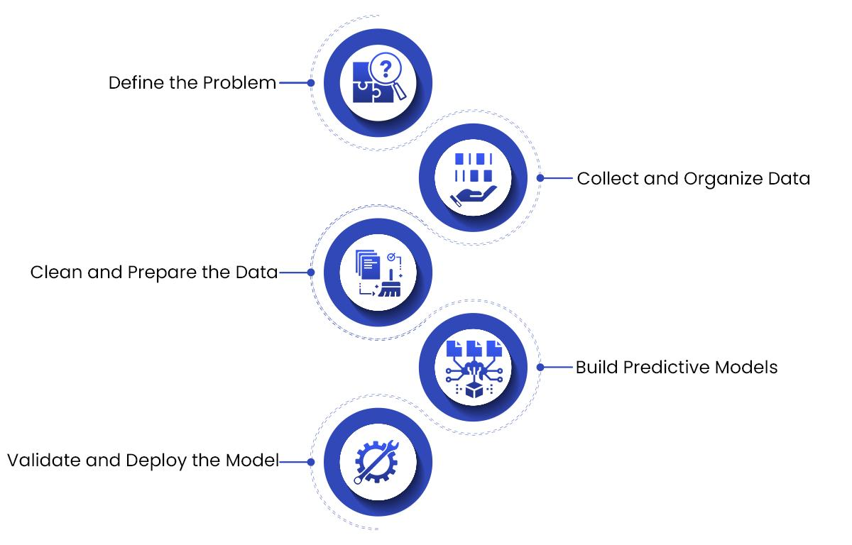
Predictive Analytics Workflow

Method 1: Forecast Sheet in Excel

Step 1
Select historical sales data.
Step 2
Go to:
Data → Forecast Sheet

Step 3
Choose:
Line Chart
Column Chart
Step 4
Set forecast end date.
Step 5
Click Create.

Excel automatically generates:

Forecast values
Confidence intervals
Trend charts

Method 2: FORECAST Function

Syntax

=FORECAST.LINEAR(x, known_y's, known_x's)

Example

Year | Sales
2022 | 10000
2024 | 20000
2026 | 30000
2028 | 60000
2030 | 40000
2040 | 102000

Result: Predicted sales value.

Method 3: Trend Analysis

Step 1
Insert Line Chart.
Step 2
Right-click data series.
Step 3
Select:
Add Trendline
Step 4
Choose: |  | 10000
Linear |  | 20000
Exponential-Use when growth accelerates over time. |  | 30000
Polynomial-Use when data rises and falls or follows a curve. |  | 60000
 | Seasonal sales patterns | 40000
 | Demand fluctuations
Step 5
Display Equation and R² Value.
Y=31029X + 10400 This equation represents the trend line.

R² = 1.00 → Perfect fit
R² = 0.90 → Very good fit
R² = 0.70 → Moderate fit
R² < 0.50 → Weak fit
The closer R² is to 1, the better the trendline explains the data.

5. Excel as a BI Tool: Pros and Cons

Excel BI Features

Power Query

Used for:

Data import
Data cleaning
Data transformation

Power Pivot
Go Data tab , go to Data Tools, go to Data Model
OR
Go to Customize quick access tool bar, Go to "Add-in, In Manage choose "COM Add-ins", check mark "Microsoft Power Pivot for Excel" and clik ok

Used for:
Data modeling
Relationships
DAX calculations

Pivot Tables

Used for:
Summarization
Reporting
Analysis

Charts & Dashboards

Used for:
Visualization
KPI Tracking
Executive Reporting

Excel BI Ecosystem

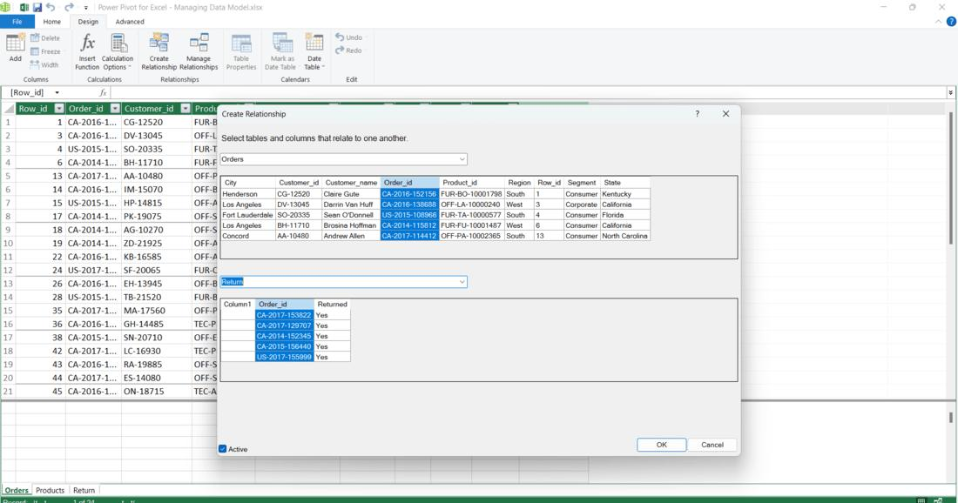
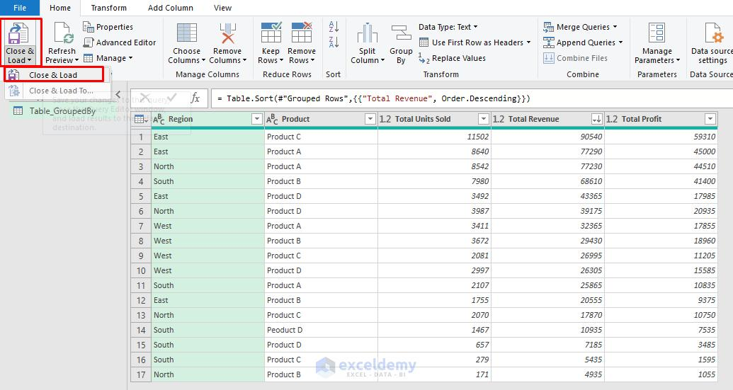

Advantages of Excel as a BI Tool

Advantage | Description
Easy to Learn | Familiar interface
Cost Effective | Available in Microsoft Office
Powerful Analysis | Pivot Tables & Power Pivot
Flexible | Supports custom calculations
Visualization | Charts and Dashboards
Integration | Connects with many data sources

Disadvantages of Excel as a BI Tool

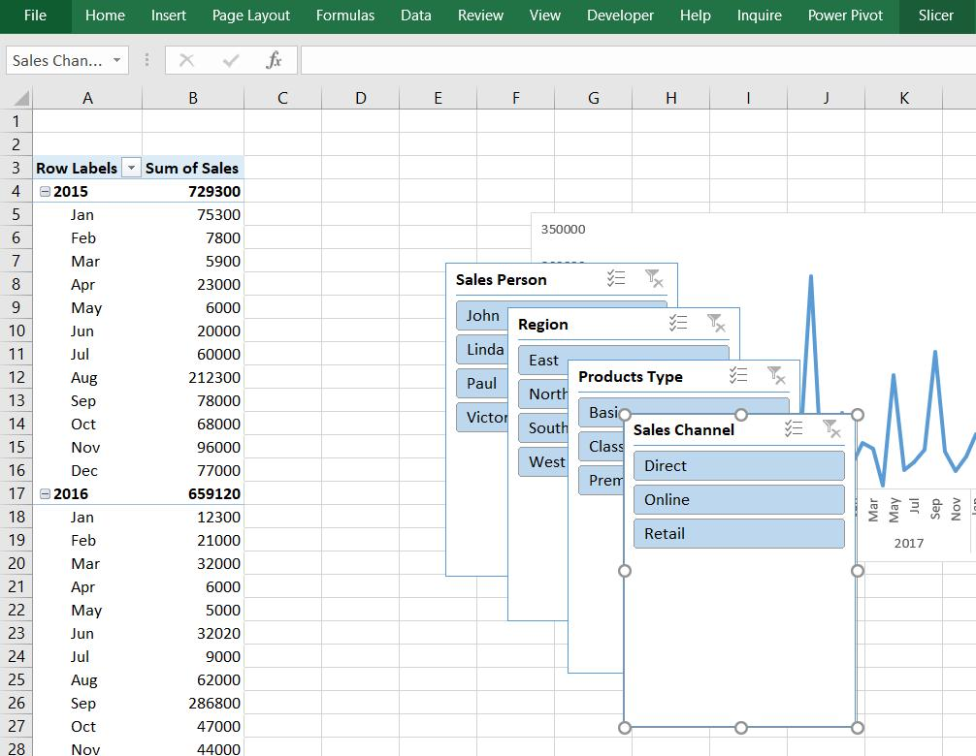
Limitation | Description
Data Size Limits | Large datasets may slow performance
Manual Errors | Human input mistakes
Security Issues | Easy file sharing risks
Collaboration Challenges | Multiple versions of files
Limited Real-Time Analytics | Compared to Power BI
Scalability Issues | Not ideal for enterprise-level big data

Practical Exercise

Sales BI Dashboard in Excel
Step 1
Import Global Superstore data using Power Query.
Step 2
Load data into Power Pivot.
Step 3
Create relationships between tables.
Step 4
Build Pivot Tables:
Sales by Region
Profit by Category
Top Customers
Step 5
Insert Charts:
Column Chart
Pie Chart
Line Chart

Step 6
Add Slicers:
Region
Category
Segment

Step 7
Create KPI Cards:
Total Sales
Total Profit
Total Orders
Step 8
Design Interactive Dashboard for management reporting.

Interview Questions

1. What is Business Intelligence?
2. What is the difference between BI and Data Analytics?
3. What is a Data Warehouse?
4. Explain the ETL process.
5. What is Data Mining?
6. What are the major Data Mining techniques?
7. How does Forecast Sheet work in Excel?
8. What is Power Query?
9. What is Power Pivot?
10. What are the advantages and limitations of Excel as a BI tool?

